Order Shipment
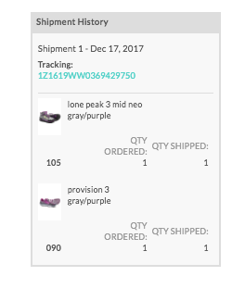
This API Documenation should be used in Conjunction with the NuORDER APIARY. The APIARY will show you how to structure the API call; this Template will help you reference documentation on the API Field Name.
Flat File Header | API Field Name | Type | Required | Description | Example Data | Example of what Order Fulfillment will look like on UI =>
Brand ID | brand_id | String | See notes | "You have 2 options for identifying the products on the order: 1) STYLE NUMBER + SEASON + COLOR are used to define a unique product in NuORDER. You can use color or color code. 2) PRODUCT_ID is the unique number assigned to products in NuORDER (this is the BRAND_ID field in your NuORDER product data). | 888RED
STYLE NUMBER | style_number | String | See notes |  | 888
SEASON | season | String | See notes |  | Core | Important Note:
COLOR | color | String | See notes |  | Red | Orders will not update to 'Shipped' status until all items are fulfilled or accounted for.
SIZE | size | String | See notes | One of these 2 Fields is Required | XL
UPC | upc | String | See notes |  | 123456789
QUANTITY SHIPPED | quantity | Number | Yes | Required: How many units were shipped. | 10
SHIPPING METHOD | type | String | No | Optional: Free text field for the shipping carrier or other delivery note. If you provide one of the below recognized values, the tracking number will become clickable to the carrier's tracking website: UPS USPS FEDEX PUROLATOR DHL | fedex
TRACKING NUMBER | tracking_numbers | String | Recommended | Recommended: This will be used as the identifier for shipments to allow you to update an existing shipment. If no tracking number is provided and you reload the same shipment, it will duplicate. | 1Z0000000001 | Each order wil have it's own endpoint; when updating an order, the shipment call should reference the order you're trying to edit.
SHIPMENT DATE | created_on | Date | No | The date posted will be the date the call was successfully sent to NuORDER. | 2022-12-10
SUPPRESS EMAIL | suppress_email | String | No | Explicitly suppress shipment email | false
 |  |  |  |  |  | https://nuorderapi1.docs.apiary.io/#reference/0/shipment-collection/create-by-order-number

