Order Shipment
NUORDER ORDER NUMBER | BRAND ID | STYLE NUMBER | SEASON | COLOR | SIZE | UPC | QUANTITY SHIPPED | SHIPPING METHOD | TRACKING NUMBER | SHIPMENT DATE

REQUIRED | You have 2 options for identifying the products on the order: 1) STYLE NUMBER + SEASON + COLOR are used to define a unique product in NuORDER. You can use color or color code. 2) BRAND ID is the unique number assigned to products in NuORDER (this is the BRAND_ID field in your NuORDER product data). Rows should be repeated for multiple sizes of the same product. |  |  |  | One of these two fields is REQUIRED. The values must match what is in this field in your product data. |  | REQUIRED How many units were shipped. | OPTIONAL. If you provide one of the below recognized values, the tracking number will become clickable to the carrier's tracking website: UPS USPS FEDEX PUROLATOR DHL | RECOMMENDED. This will be used as the identifier for shipments to allow you to update an existing shipment. If no tracking number is provided and you reload the same shipment, it will duplicate. | OPTIONAL. Format must be MM/DD/YYYY. If omitted or left blank, today's date will be assigned to the shipment.

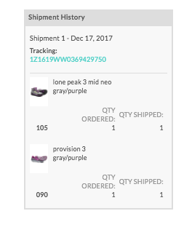

Example of what Order Fulfillment will look like on UI =>

